How to Get Lat Long
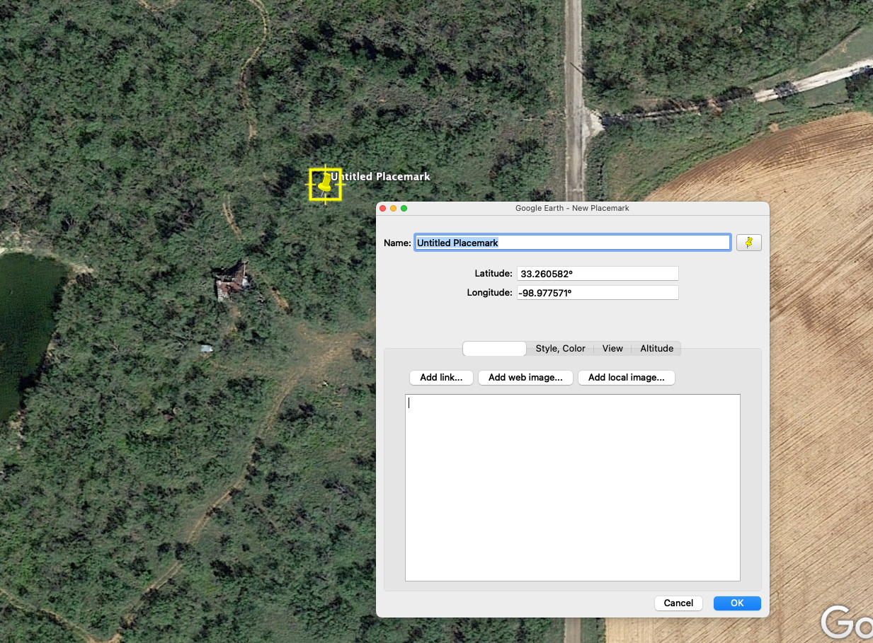
There are several options to obtain high resolution latitude/longitude data for each monitoring well:

1. Use surveying data from an official survey of the wells.
2. Obtain a site map, georeferenced the map in an GIS system, and obtain the lat/long data.
3. Estimate monitoring locations in a Google Earth map, add Placemarks and get lat/long in decimal degrees (see image below).
A crude way to convert a map with local coordinates to lat/long decimal coordinates is to:
 | a) put a transparency (viewgraph) or a translucent tracing paper (Vellum) over the map with the monitoring wells;
 | b) with a pen, mark a few key landmarks that will show up in Google earth aerial photo imagery (cross roads, buildings, streams, etc.) on the transparency/vellum;
 | c) mark the monitoring wells on the transparency/vellum with a pen;
 | d) tape the transparency/vellum over your computer monitor, rotate the transparency/vellum if needed to align to the landmarks, and change the zoom in Google earth to match the landmarks;
 | e) use Google Earth Placeholders to get the lat/long in decimal degrees. You can change the Google earth Placemark lat/longs to decimal lat/longs in Google Earth preferences.
The result will be a rough approximation of the actual lat/long and may not be a suitable methods for some maps that are not surveyed.
4. If you have data in degrees/min/sec, convert to decimal degrees at web sites like this: https://www.latlong.net/degrees-minutes-seconds-to-decimal-degrees

